Sheet1
Components needed to build two more rosetta stones
Sensors with Amazon links | Properties | Quantity | Prices $ | Picture
GY-SGP30 Gas Sensor | CO2 | 3 | 45 | 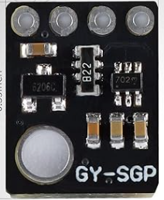
VL53L0X Distance Sensor | Object Distance | 3 | 21 | 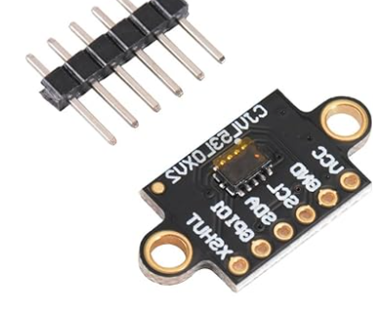
Light Sensor Module | Environmet Light | 3 | 39 | 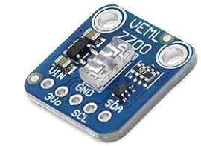
GY-BME280-3.3 Sensor Module | Temp, Pressure and Humidity | 3 | 30 | 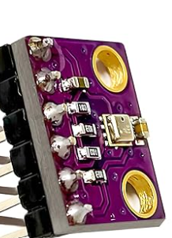
Lithium Battery Charger | Charger | 4 | 36 | 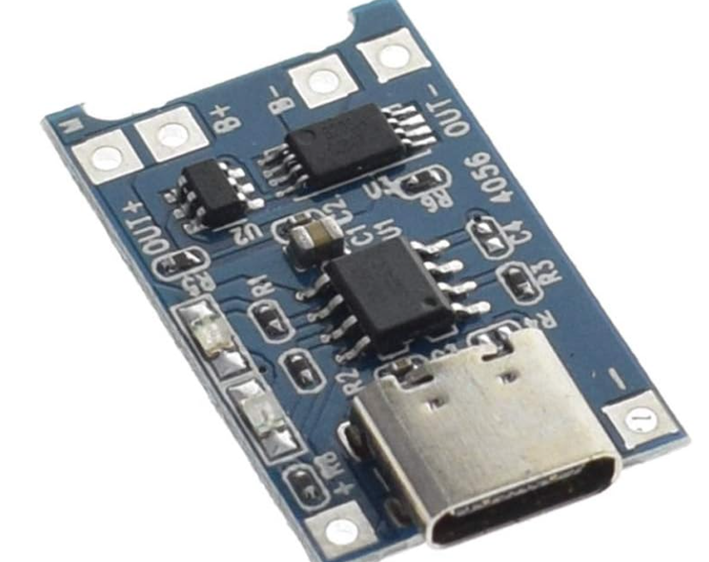
ESP32 | IOT-Cloud connection | 2 | 32 | 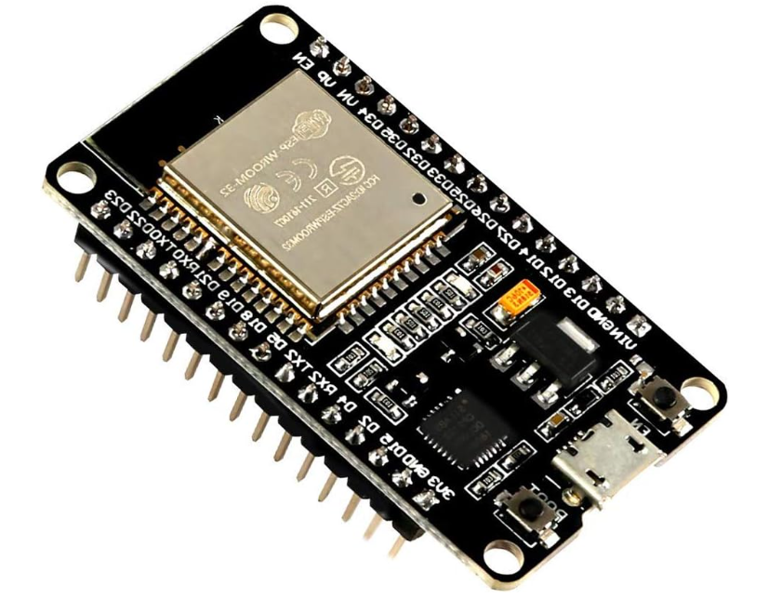
Raspberry Pi 5 | Raspberry Pi 5 for computation | 2 | 298 | 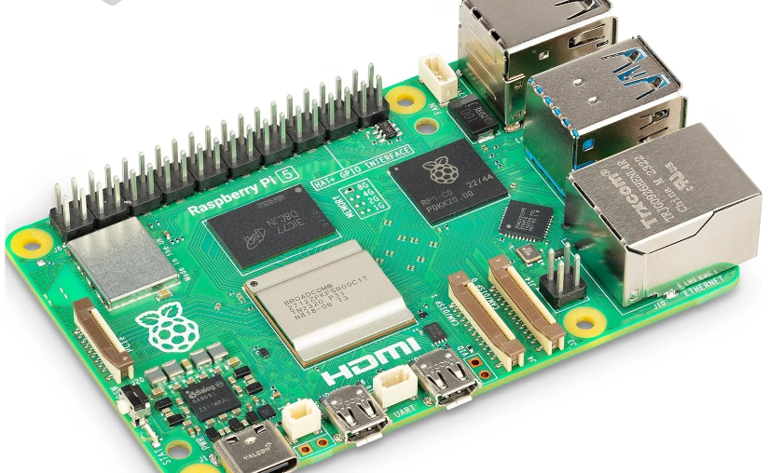
Rechargeable Lipo battery | Battery for sensors | 4 | 72 | 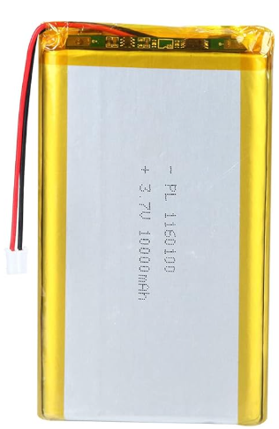
Seeed studio ReSpeaker Microphones | Microphone | 2 | 238 | 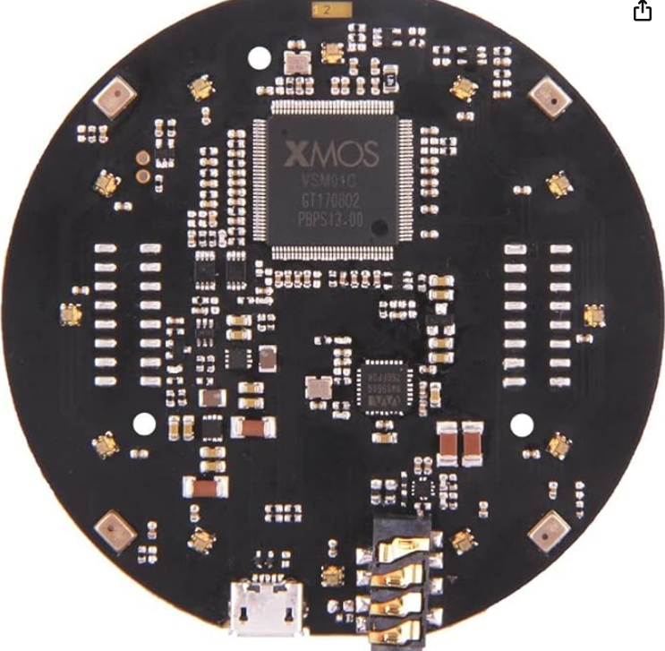
Push Button Switch | Off/On Push Button Switch | 10 | 7 | 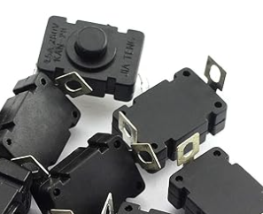
 |  | Total | $818

